Dashboard
Search Insights Report Dashboard

Insights Report Progress
 | Total MSV: 19,000

Content Types Breakdown
Progress by Cluster

Settings
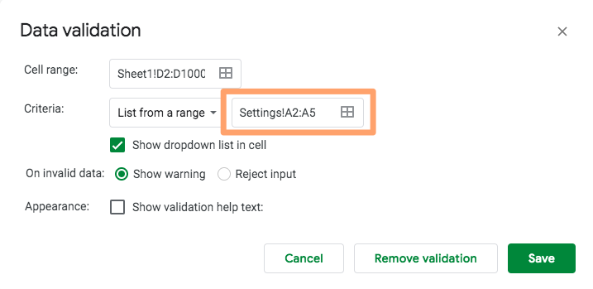
Content Type | Add any other content types you want to this list, starting in cell A6, then go to the Master tab, highlight cells D2 to D1000, select Data > Data Validation, and edit the range accordingly. This will update the drop-down selection to include your new content types.
Pillar page
Blog post
Link asset
Conversion asset

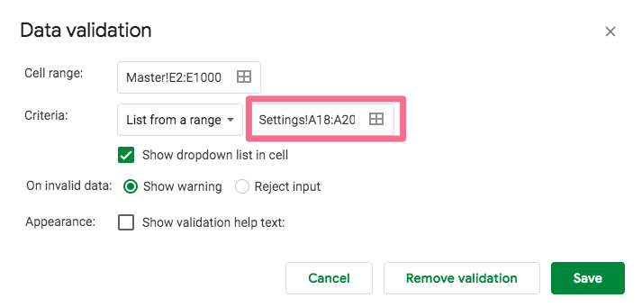
Status | Add any other status types you want to this list (first draft, second draft, ready for review, in edits, etc.), starting in cell A21, then go to the Master tab, highlight cells E2:E1000, select Data > Data Validation, and edit the range accordingly. This will update the drop-down selection to include your new content types.
Not started
In progress
Published

 | Next, go to the Reports tab, and update the status types there as well. You'll need this formula: COUNTIF(Master!E2:E1000,"[INSERT NEW STATUS TYPE HERE})
 | This will update the reports in the Dashboard tab.

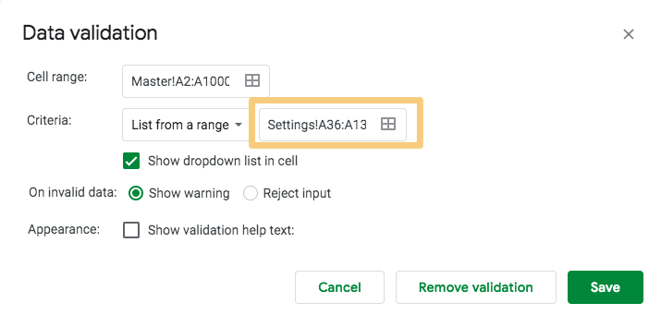
Topic Cluster | Replace these filler cluster titles with your own, starting in cell A36, then go to the Master tab, highlight cells A2:A1000, select Data > Data Validation, and edit the range accordingly.
Cluster 1
Cluster 2
Cluster 3
Cluster 4
Cluster 5
Cluster 6
Cluster 7
Cluster 8
Cluster 9
Cluster 10
Cluster 11
Cluster 12
Cluster 13
Cluster 14
Cluster 15 | Next, go to the Reports tab, and replace the placeholder topic cluster names with your own. You'll need to update the COUNTIFS formulas as well: =COUNTIFS(Master!A:A,"[INSERT CLUSTER NAME HERE]",Master!E:E,"Not started").
Cluster 16 | For example, if your first topic cluster is "International SEO," then your COUNTIFS formulas would be:
Cluster 17 | COUNTIFS(Master!A:A,"International SEO",Master!E:E,"Not started")
Cluster 18 | COUNTIFS(Master!A:A,"International SEO",Master!E:E,"In progress")
Cluster 19 | COUNTIFS(Master!A:A,"International SEO",Master!E:E,"Published")
Cluster 20 | Don't forget to change the status types as well if you modified those in the previous step.
Cluster 21 | This will update the reports in the Dashboard tab.
Cluster 22
Cluster 23
Cluster 24
Cluster 25
Cluster 26
Cluster 27
Cluster 28
Cluster 29
Cluster 30
Cluster 31
Cluster 32
Cluster 33
Cluster 34
Cluster 35
Cluster 36
Cluster 37
Cluster 38
Cluster 39
Cluster 40
Cluster 41
Cluster 42
Cluster 43
Cluster 44
Cluster 45
Cluster 46
Cluster 47
Cluster 48
Cluster 49
Cluster 50
Cluster 51
Cluster 52
Cluster 53
Cluster 54
Cluster 55
Cluster 56
Cluster 57
Cluster 58
Cluster 59
Cluster 60
Cluster 61
Cluster 62
Cluster 63
Cluster 64
Cluster 65
Cluster 66
Cluster 67
Cluster 68
Cluster 69
Cluster 70
Cluster 71
Cluster 72
Cluster 73
Cluster 74
Cluster 75
Cluster 76
Cluster 77
Cluster 78
Cluster 79
Cluster 80
Cluster 81
Cluster 82
Cluster 83
Cluster 84
Cluster 85
Cluster 86
Cluster 87
Cluster 88
Cluster 89
Cluster 90
Cluster 91
Cluster 92
Cluster 93
Cluster 94
Cluster 95
Cluster 96
Cluster 97
Cluster 98
Cluster 99
Cluster 100
Cluster 101

